Instructions for CWS
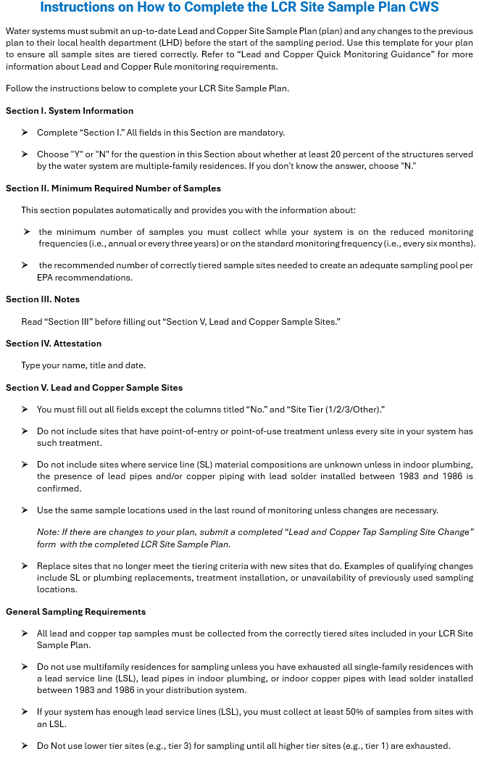

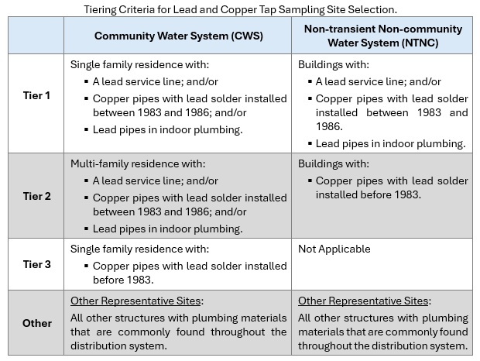

Dropdown Menu Choices
Are at least 20 percent of the structures served by the water system are multiple-family residences? | LSL (Y/N/Unknown) | Indoor Plumbing Material | Single or Multi Family Residence | Routine/ Backup
Y | Y | lead pipes in plumbing | S | R
N | N | 1983<lead solder<1986 | M | B
 | Unknown | lead solder before 1983 | Unknown
 |  | no lead solder or lead pipes
 |  | unknown

