Instructions for NTNC
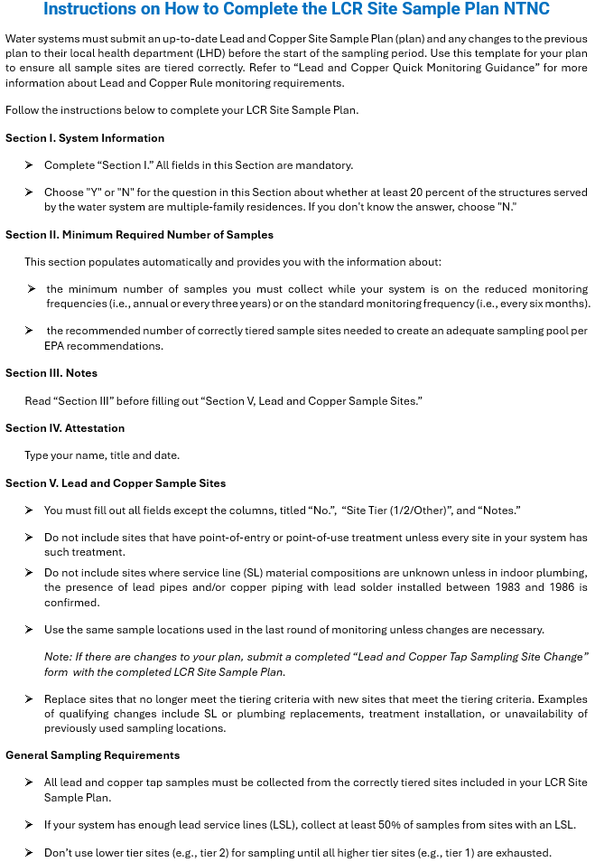

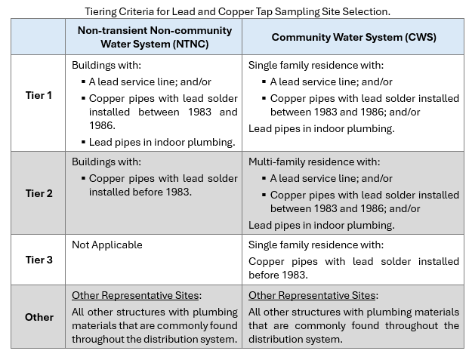

Dropdown Menu Choices
 | LSL (Y/N/Unknown) | Indoor Plumbing Material | Routine/ Backup
 | Y | lead pipes in plumbing | R
 | N | 1983<lead solder<1986 | B
 | Unknown | lead solder before 1983
 |  | no lead solder or lead pipes
 |  | unknown

