Instructions
REQUEST FOR INFORMATION 20694:
APPROVED FOOD ITEMS FOR THE NEW YORK STATE WIC PROGRAM
ATTACHMENT 1 - NYS WIC 2025 PRODUCT INFORMATION WORKBOOK

1. This workbook contains a series of 26 tabs as follows: The first tab includes instructions for completing this workbook. Tabs two and three include required forms (Company Identification; Anticipated Changes). Tab four includes a regional map of New York State which is also provided as Appendix B of this RFI. Tab five includes the food specifications that are included in Section 4 of this RFI. The remaining tabs are Product Information Charts for each of the foods described in Section 4.
2. Complete the “Company Identification” tab first. This will ensure that your company name and contact information will automatically be included on each product information chart.
3. Complete the “Anticipated Changes” tab as described in Section 6.1 of the RFI. If any changes are anticipated in a food product line within twelve (12) months of the date of submission that would specifically affect the information submitted in the Product Information Chart(s), please provide the current product name, UPC code, date of change, and explain the anticipated changes. If there are no anticipated changes to any product, indicate “no changes” in the specified box.
3. The “Specifications” tab lists all of the food categories and their minimum requirements. Clicking on the heading of each food category (for example Whole Grain Bread Products) will take you to the product information chart for that category of food. Once in the chart, clicking on the word “Specifications” will bring you back to the product “Specifications” tab for your reference. 4. Complete one row on the appropriate Product Information Chart for each product and package size being submitted. Each UPC must be listed in a separate row. 5. Make sure that information listed on the charts is consistent with information included on the product labels, including the UPC code, brand name, food name, container size, nutritional specifications, and specific kosher designation. 6. List the food name exactly as it appears on the product label, including brand or store name. For example, if the product name is “Our Best Corn Flakes”, do not just list “Corn Flakes.” 7. List all requested product information by using the correct weights, measures, and calculations listed in the column headings (ounces, grams, miligrams, etc.). Do not use per-serving percentages based on reference standards. 8. For calculations, do not round up to the nearest unit. Instead, please include up to three decimal places, as necessary (for example: 0.000). 9. Complete all columns for each product. When applicable, use zeros (0) instead of leaving items blank. Any product for which information is incomplete will be removed from the review process. 10. Indicate the “NYS Regional Availability” of each product using the state map provided in Tab 4 (also included as Appendix B of the RFI). 11. Indicate the “Months Available on Market” of each product using the numbers one (1) through eleven (11) or using “12+” for items that have been on the market for one year or more as of the date of your submission. 12. For “Average MSRP,” use the average statewide (New York State) retail price per package (e.g., the 12-ounce cereal box, or the 64-ounce juice container) as of the date of your submission. Do not use the price per case of the product. For multi-packs provide the price of the whole package (not the individual unit). Format price as follows: $0.00.
13. For "Specific Kosher Designation", type in any kosher designations for the product, such as Cholov Yisroel.
14. For “NY Product”, indicate “Yes” if the product includes ingredients grown in New York State or if the product is produced or processed (by manufacturing, canning, preserving, freezing, drying, dehydrating, juicing, baking, bottling, pressing, heating or cooking) within New York State. Otherwise, indicate “No.” 15. Upload the completed copy of Attachment 1 with a new file name reflecting your company’s name, and digital images to the electronic dropbox using the link that is emailed to you. For example, if your company name is “Best Food Co.”, you should change the filename of this workbook to: “BestFoodCo.xls” before uploading to the electronic dropbox. Abbreviate your company name if it contains more than 15 characters. Prior to submitting your response, carefully review Section 6 of this RFI for complete instructions on submitting all the required information.
INSTRUCTIONS:

Regional Map
Regional Map - NYS

For each food product listed in the "Product Information Charts" indicate where the product is currently sold in New York State using this Regional Map and Key.

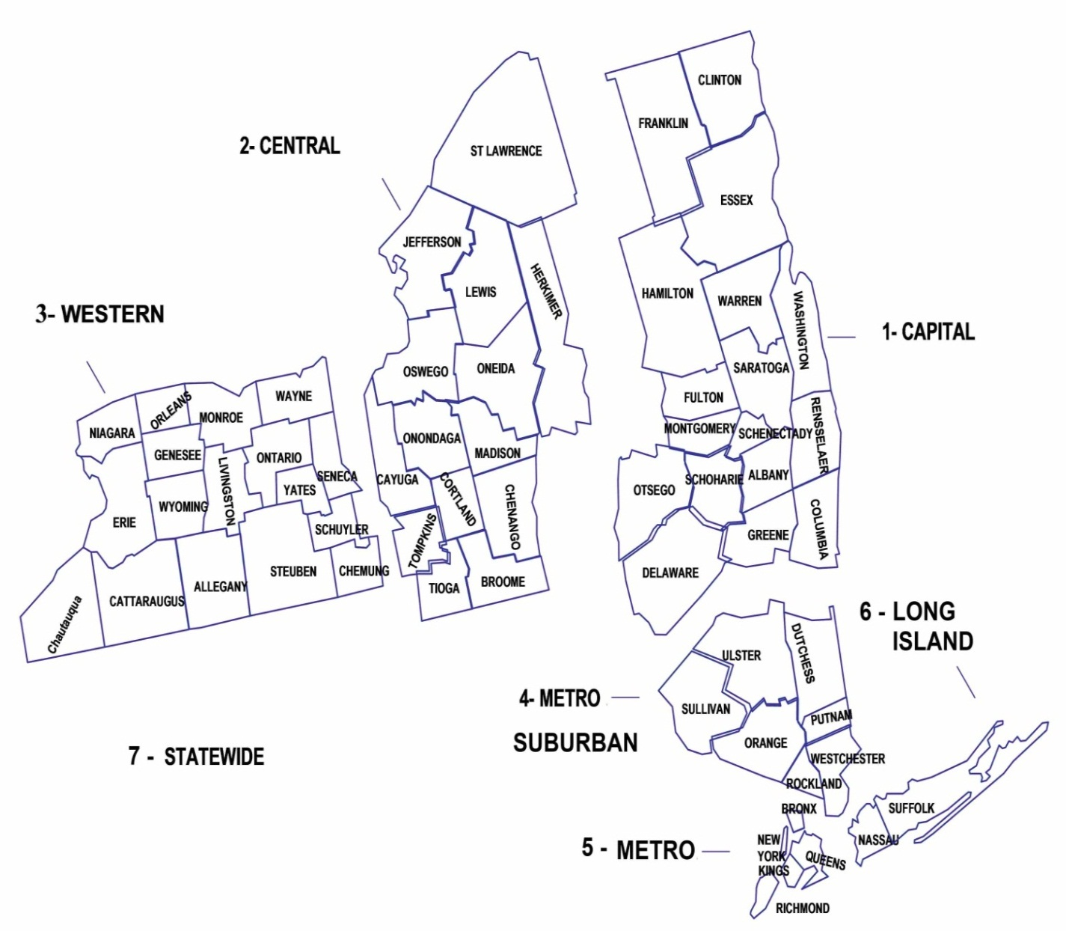
 |  | Key
 | Capital |  | 1
 | Central |  | 2
 | Western |  | 3
 | Metro- Suburban |  | 4
 | Metro |  | 5
 | Long Island |  | 6
 | Statewide |  | 7

 | Examples:
 | 1) If a product is sold in Central and Western you would indicate: 2,3

 | 2) If a product is sold statewide you would indicate: 7

